Sheet1
 | Document No. | Issue No. | Issue Date |  | Review and Replace Date |  |  | Authorised By
 | GFF007MC | 5 | 23.09.2018 |  | 11.07.2023 |  |  | Magda Shah
 | Document Title | BOOTHS - DELI -Spinach Pakora 600g
Document amendments reason for change | Packaging changed (tray & flim)and put labels in high risk if they packed the product on GTR machine. |  |  | Page 1 of 1 |  | Previous Issue Date | 09.12.2021 | Uncontrolled copy unless signed original

CVSPKC-B20X1TEB | BOOTHS - DELI | SPINACH PAKORA 600G
STEP 1 |  |  |  | STEP 2
 |  |  |  | 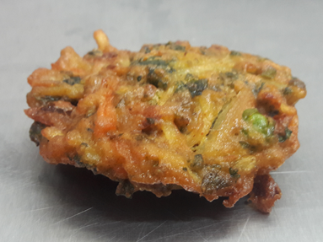 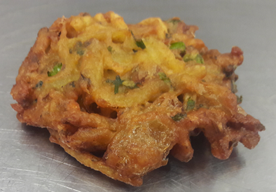

Tray: HW308/60 open ECO tray- (PKLEE001-09) |  |  |  | SPINACH PAKORA (GFF213R):30g
Film: K Peel RPSM 25µm (340mmX1000lm)-(PKKMP001-05)
STEP 3
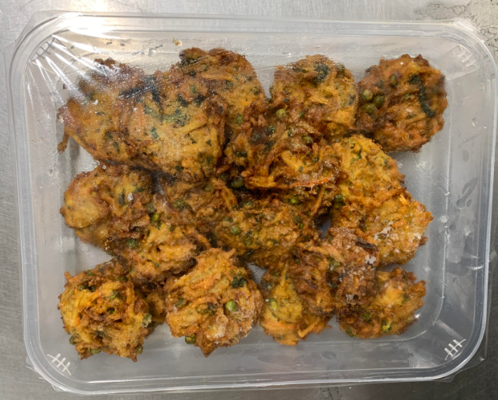 |  |  |  | 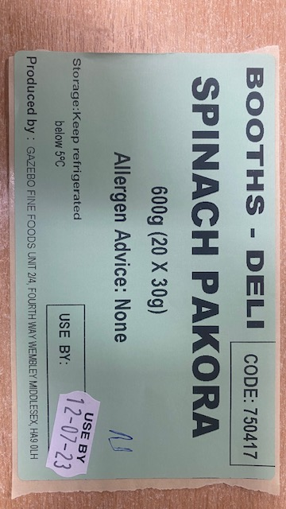 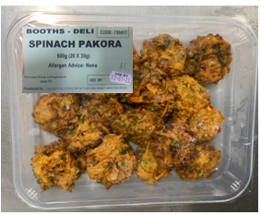

30g x 20 units |  |  |  | Booths -Deli | Code:750417|Spinach Pakora 600g(20X30g)
 |  |  |  | TOTAL WEIGHT: 600g
ALLERGY ALERT: NONE

